W&B FORM
remarks? tony.opsomer@gmail.com |  |  |  |  |  |  |  |  | version 2016-10-07
Weight and Balance form PA-28-181 OO-DKM |  |  |  |  |  |  |  |  |  | Calculations

 |  |  |  | Fuel quantity | Weight | Arm | Moment | Form validity checker
 |  |  |  | [l] | [kg] | [in] | [in.lbs] | Don't forget: always do a manual check on your data!!
Basic empty weight (includes engine oil and unusable fuel) |  |  |  |  | 715.31 | 88.25 | 139176.32
Usable fuel | mean arm: | 95.0 | in |  | 0.00 | 95.00 | 0.00 | COMPLETE THE FORM | COMPLETE THE FORM
Pilot | mean arm: | 80.5 | in |  |  | 80.50 | 0.00
Front passenger | mean arm: | 80.5 | in |  |  | 80.50 | 0.00
Rear passenger 1 | mean arm: | 118.1 | in |  |  | 118.10 | 0.00
Rear passenger 2 | mean arm: | 118.1 | in |  |  | 118.10 | 0.00
Baggage area 1 | mean arm: | 142.8 | in |  |  | 142.80 | 0.00 | COMPLETE THE FORM
TAKEOFF WEIGHT AND MOMENT |  |  |  |  | COMPLETE THE FORM | COMPLETE THE FORM | COMPLETE THE FORM | COMPLETE THE FORM |  | takeoff weight [lbs] | #VALUE!
Total trip time |  |  | hh:mm | 0.00 | 0.00 | 95.00 | 0.00 | COMPLETE THE FORM
LANDING WEIGHT AND MOMENT |  |  |  |  | COMPLETE THE FORM | COMPLETE THE FORM | COMPLETE THE FORM | COMPLETE THE FORM |  | landing weight [lbs] | #VALUE!

 | PA-28-181 NORMAL CATEGORY |  | TAKEOFF WEIGHT AND MOMENT |  | LANDING WEIGHT AND MOMENT |  | PA-28-181 UTILITY CATEGORY
82 | 0.00 | COMPLETE THE FORM | 0.00 | COMPLETE THE FORM | 0.00 | 82 | 0.00
82 | 2050.00 |  |  |  |  | 82 | 2050.00
88.6 | 2550.00 |  |  |  |  | 83 | 2130.00
93 | 2550.00 |  |  |  |  | 93 | 2130.00
93 | 0.00 |  |  |  |  | 93 | 0.00

 |  |  |  |  |  |  |  |  |  | conversion minutes to hh:mm notation
 |  |  |  |  |  |  |  |  |  |  |  | hh | mm
 |  |  |  |  |  |  |  |  |  | total minutes |  | 0 | 0

 |  |  |  |  |  |  |  |  |  |  |  | hh:mm | 0:00:00

This document is provided for secondary flightplanning and navigation only. It is the user/pilot's sole responsibility to verify the correctness of all information provided by this sheet.

OO-DKM
DATA OO-DKM
LONG-RANGE FUEL TANKS
Max usable fuel quantity | 48 | US Gal | 181.70 | l
Unusable fuel | 2 | US Gal | 7.57 | l
Max. Fuel flow | 10.5 | US Gal/hr | 39.75 | l/u
Max. endurance: | 4.57 | uur | 4:34

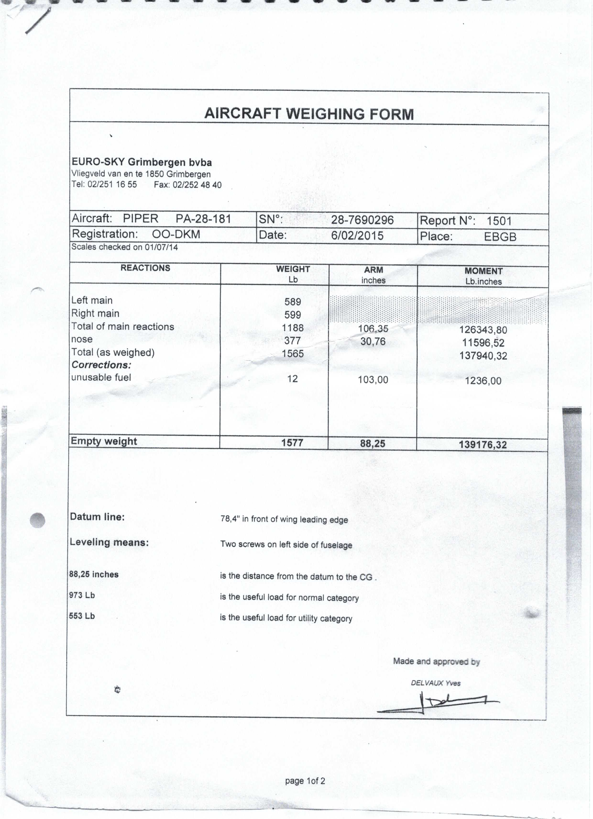
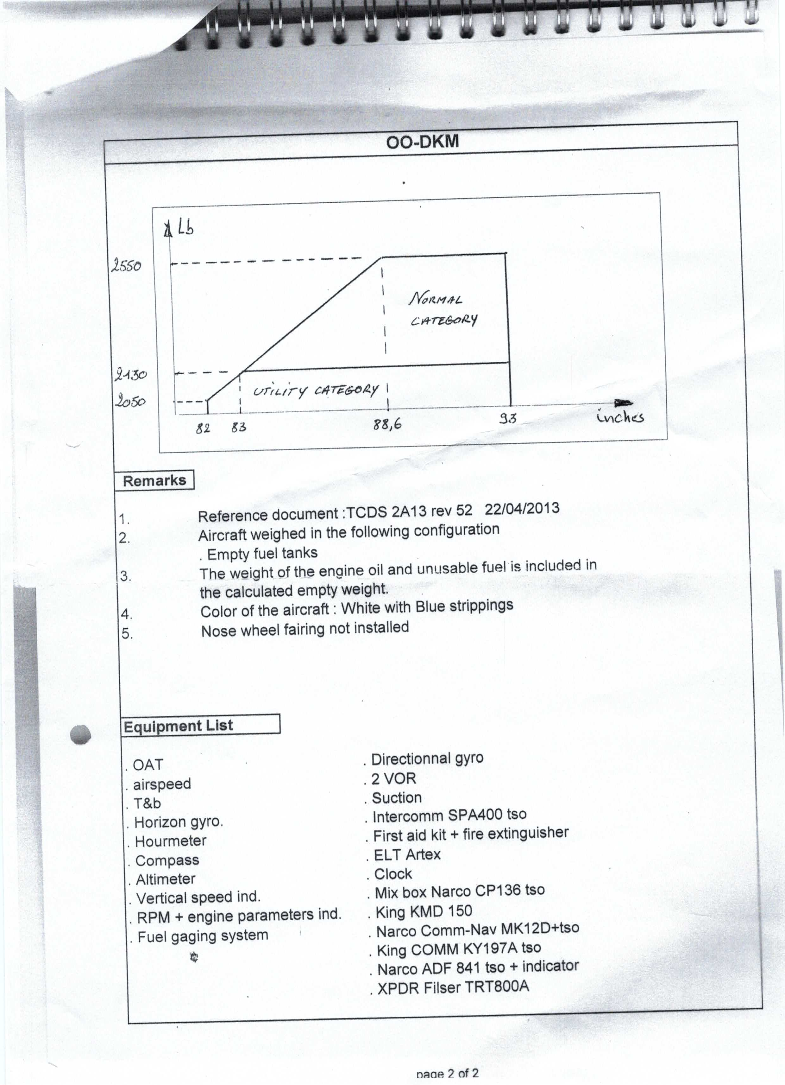
W&B DATA |  |  |  |  | BASED ON
Empty Weight | 715.31 | kg | 1577.00 | lbs
Arm |  |  | 88.25 | in
Moment |  |  | 139176.32 | in.lbs

Max weight
normal category | 1156.65 | kg | 2550.00 | lbs
utility category | 966.15 | kg | 2130.00 | lbs

Max weight baggage areas
Baggage compartment | 90.72 | kg | 200.00 | lbs

W&B Center of Gravity limits graph
NORMAL CATEGORY |  | UTILITY CATEGORY
arm [in] | weight [lbs] | arm [in] | weight [lbs]
82 | 0.00 | 82 | 0.00
82 | 2050.00 | 82 | 2050.00
88.6 | 2550.00 | 83 | 2130.00
93 | 2550.00 | 93 | 2130.00
93 | 0.00 | 93 | 0.00

 |  | in utility category the rear seats must not be occupied and the baggage compartment must be empty
W&B OO-DKM
 | NORMAL CATEGORY |  | UTILITY CATEGORY
82 | 0.00 | 82 | 0.00
82 | 2050.00 | 82 | 2050.00
88.6 | 2550.00 | 83 | 2130.00
93 | 2550.00 | 93 | 2130.00
93 | 0.00 | 93 | 0.00

